Title page
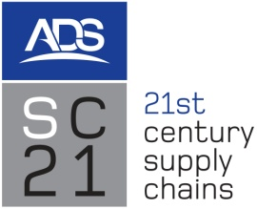
 |  |  | SC21 Relationship Excellence (RelEx)
 |  | Workbook
 |  | Version A - April 2014

 | Supplier :-

 | Address:-

 | Scope:-

 | Date of Assessment:-

 | Lead Practitioner:-
 | Practitioners:-

 | Supplier Attendees:-
 | Supplier Attendees:-
 | Supplier Attendees:-
 | Supplier Attendees:-
 | Supplier Attendees:-
 | Supplier Attendees:-

Prepared by: The SC21 Collaborative Working Special Interest Group

The scoring methodology used in Relationship Excellence is based on the BS11000 Series ADS acknowledges the BS copy right and is grateful for the permission granted to reproduce within this document.

